Step-by-Step Instructions
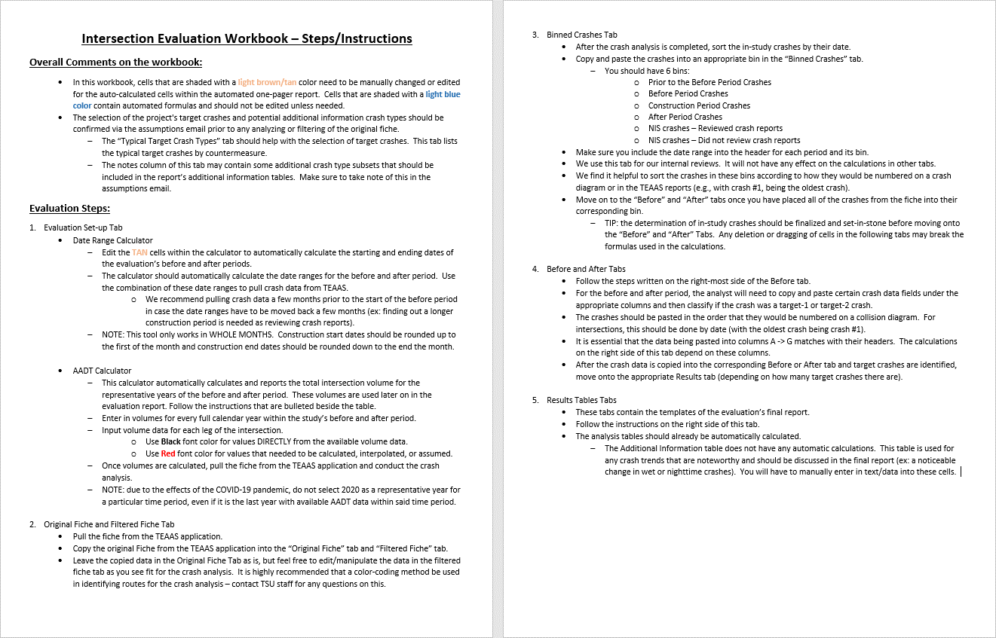

1 page results - 1 Target
 |  |  |  |  |  |  |  |  | Cell Shading Key
Safety Project Evaluation |  |  |  |  |  |  |  |  | User Input Required
 |  |  |  |  |  |  |  |  | Automatically Calculated

Order ID: |  |  |  | Treatment Information | Before | After | Percent Reduction (-) Percent Increase (+)
Project ID: |  |  |  |  |  |  |  | Comments for the user:
Signal ID: |  |  |  | Total Crashes | 56 | 59 | 5.36% | ● | Cells that are shaded TAN are not automatic and need to be filled in prior to printing
Location: |  |  |  | Total Severity Index | 3.78 | 3.38 | -10.38% | ● | The before, construction, and after period dates table is automated and based off of the Date Range Calculator within the "Evaluation Set-up" tab. Make sure this tab is finalized before printing.

 |  |  |  | Target Crashes | 18 | 18 | 0.00%
 |  |  |  | Target Crash Severity Index | 5.52 | 4.29 | -22.33% | ● | If a calculated percent increase is significantly above 100% and you feel this change would be best represented by reporting "100% +" then you should manually change these values.
GPS Coordinates:
County: |  |  |  | Volume (2016, 2018) | 31,500 | 32,500 | 3.17%
City: |  |  |  |  |  |  |  | ● | There are 4 rows under the Additional information table that the user should feel free to use (or not use) as they see fit. If rows are left unused, leave "n/a" in the left most column
Division: |  |  |  | Injury Crash Summary | Before | After | Percent Reduction (-) Percent Increase (+)

Countermeasure(s): |  |  |  | Fatal Injury Crashes | 0 | 0 | n/a | ● | Write any necessary discussion on the evaluation results in the large merged cell at the bottom of the page. If no discussion is necessary, simply write "n/a" in discussion field TIP: to drop lines within a single cell, press ALT+ENTER
 |  |  |  | Class A Injury Crashes | 0 | 0 | n/a
 |  |  |  | Class B Injury Crashes | 3 | 5 | 66.67%
 |  |  |  | Class C Injury Crashes | 18 | 14 | -22.22%
 |  |  |  | Property Damage Only | 35 | 40 | 14.29% | Instructions for printing 1-Pager Results Tab
Estimated Project Cost: |  |  |  |  |  |  |  | 1 | Highlight the cells within but not including the GREEN border
Completion Date: |  |  |  | Target Injury Crash Summary | Before | After | Percent Reduction (-) Percent Increase (+) | 2 | Select Print or hit Control + P
 |  |  |  |  |  |  |  | 3 | Select the printer you wish to use (Microsoft Print to PDF is recommended with 8.5”x11” paper size)
 | Start Date | End Date | Length | Fatal Injury Crashes | 0 | 0 | n/a
Before Period | 2010-07-01 | 2016-02-29 | 5y, 8m | Class A Injury Crashes | 0 | 0 | n/a | 4 | In the first box under Settings select “Print Selection”. This will ensure only the cells you have highlighted are printed out, rather than the whole sheet.
Construction Period | 2016-03-01 | 2016-05-31 | 0y, 3m | Class B Injury Crashes | 3 | 3 | 0.00%
After Period | 2016-06-01 | 2022-01-31 | 5y, 8m | Class C Injury Crashes | 8 | 5 | -37.50% | 5 | Select “Custom Margins” in the second to last dropdown box. Match the margin settings in the pop up box to that of the below image. The Left/Right margins should be 0.25" and the Top/Bottom margins should be 0.5". Also make sure that the “Horizontally” and “Vertically” boxes are checked under the "Center on page" section. This will ensure the print area is centered within the page layout.
 |  |  |  | Property Damage Only | 7 | 10 | 42.86%
Analysis Criteria:
 |  |  |  | Additional Information | Before | After | Percent Reduction (-) Percent Increase (+)

 |  |  |  | n/a |  |  | n/a |  | ● | 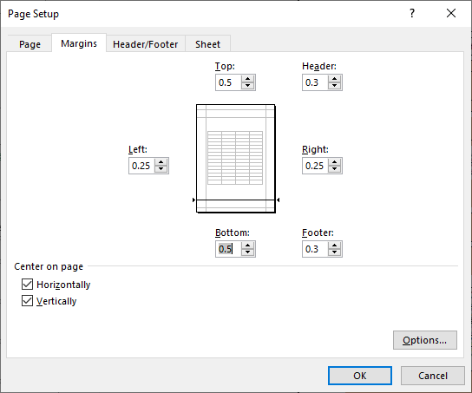
 |  |  |  | n/a |  |  | n/a
Target Crashes: |  |  |  | n/a |  |  | n/a
 |  |  |  | n/a |  |  | n/a

 |  |  |  | Map/Satellite Views

Project Development Comparison
Crashes Per Year by Project Time Period | Project Development | Before Period | After Period

Years |  | 5.67 years | 5.67 years
Start Date |  | 2010-07-01 | 2016-06-01
End Date |  | 2016-02-29 | 2022-01-31

Total |  | 9.88 | 10.41
Fatal Injury |  | 0.00 | 0.00 |  |  |  |  | 6 | In the final dropdown box, select “Fit Sheet on One Page”
Class A Injury |  | 0.00 | 0.00 |  |  |  |  | 7 | Hit Print!
Class B Injury |  | 0.53 | 0.88 |  |  |  |  | NOTE: | If you feel that any of the above print settings should be changed to allow for a better print out of this report, contact TSU staff first. For the vast majority of evaluations, these settings should be best.
Class C Injury |  | 3.18 | 2.47
Property Damage Only |  | 6.18 | 7.06

Items for Discussion

Data Prepared For:
The Traffic Safety Unit of the |  |  |  | Data Prepared By:
Transportation Mobility and Safety Division of the |  |  |  | Principal Investigator:
Division of Highways of the |  |  |  | Work Group/Consultant:
North Carolina Department of Transportation |  |  |  | Date:

1 page results - 2 Targets
 |  |  |  |  |  |  |  |  | Cell Shading Key
Safety Project Evaluation |  |  |  |  |  |  |  |  | User Input Required
 |  |  |  |  |  |  |  |  | Automatically Calculated

Order ID: |  |  |  | Treatment Information | Before | After | Percent Reduction (-) Percent Increase (+)
Project ID: |  |  |  |  |  |  |  | Comments for the user:
Signal ID: |  |  |  | Total Crashes | 56 | 59 | 5.36% | ● | Cells that are shaded TAN are not automatic and need to be filled in prior to printing
Location: |  |  |  | Total Severity Index | 3.78 | 3.38 | -10.38% | ● | The before, construction, and after period dates table is automated and based off of the Date Range Calculator within the "Evaluation Set-up" tab. Make sure this tab is finalized before printing.

 |  |  |  | All Target Crashes | 35 | 39 | 11.43%
 |  |  |  | All Target Crash Severity Index | 4.38 | 3.66 | -16.57% | ● | If a calculated percent increase is significantly above 100% and you feel this change would be best represented by reporting "100% +" then you should manually change these values.
GPS Coordinates:
County: |  |  |  | Target-1 Crashes | 18 | 18 | 0.00%
City: |  |  |  | Target-1 Crash Severity Index | 5.52 | 4.29 | -22.33% | ● | There are 4 rows under the Additional information table that the user should feel free to use (or not use) as they see fit. If rows are left unused, leave "n/a" in the left most column
Division:
 |  |  |  | Target-2 Crashes | 17 | 21 | 23.53%
Countermeasure(s): |  |  |  | Target-2 Crash Severity Index | 3.18 | 3.11 | -1.96% | ● | Write any necessary discussion on the evaluation results in the large merged cell at the bottom of the page. If no discussion is necessary, simply write "n/a" in discussion field TIP: to drop lines within a single cell, press ALT+ENTER

 |  |  |  | Volume (2016, 2018) | 31,500 | 32,500 | 3.17%

 |  |  |  | Injury Crash Summary | Before | After | Percent Reduction (-) Percent Increase (+) | Instructions for printing 1-Pager Results Tab
Estimated Project Cost: |  |  |  |  |  |  |  | 1 | Highlight the cells within but not including the GREEN border
Completion Date: |  |  |  | Fatal Injury Crashes | 0 | 0 | n/a | 2 | Select Print or hit Control + P
 |  |  |  | Class A Injury Crashes | 0 | 0 | n/a | 3 | Select the printer you wish to use (Microsoft Print to PDF is recommended with 8.5”x11” paper size)
 | Start Date | End Date | Length | Class B Injury Crashes | 3 | 5 | 66.67%
Before Period | 2010-07-01 | 2016-02-29 | 5y, 8m | Class C Injury Crashes | 18 | 14 | -22.22% | 4 | In the first box under Settings select “Print Selection”. This will ensure only the cells you have highlighted are printed out, rather than the whole sheet.
Construction Period | 2016-03-01 | 2016-05-31 | 0y, 3m | Property Damage Only | 35 | 40 | 14.29%
After Period | 2016-06-01 | 2022-01-31 | 5y, 8m |  |  |  |  | 5 | Select “Custom Margins” in the second to last dropdown box. Match the margin settings in the pop up box to that of the below image. The Left/Right margins should be 0.1" and the Top/Bottom margins should be 0.3". Also make sure that the “Horizontally” and “Vertically” boxes are checked under the "Center on page" section. This will ensure the print area is centered within the page layout.
 |  |  |  | All Target Injury Crash Summary | Before | After | Percent Reduction (-) Percent Increase (+)
Analysis Criteria:
 |  |  |  | Fatal Injury Crashes | 0 | 0 | n/a
 |  |  |  | Class A Injury Crashes | 0 | 0 | n/a
 |  |  |  | Class B Injury Crashes | 3 | 4 | 33.33% |  | ● | 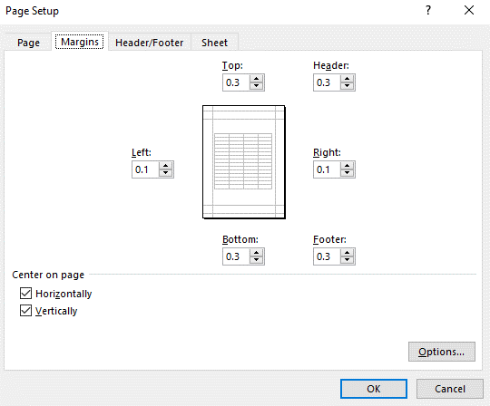
 |  |  |  | Class C Injury Crashes | 13 | 10 | -23.08%
 |  |  |  | Property Damage Only | 19 | 25 | 31.58%
Target-1 Crashes:
 |  |  |  | Additional Information | Before | After | Percent Reduction (-) Percent Increase (+)

 |  |  |  | n/a |  |  | n/a
 |  |  |  | n/a |  |  | n/a
 |  |  |  | n/a |  |  | n/a
Target-2 Crashes: |  |  |  | n/a |  |  | n/a

 |  |  |  | Map and Satellite Views

Project Development Comparison
Crashes Per Year by Project Time Period | Project Development | Before Period | After Period
 |  |  |  |  |  |  |  | 6 | In the final dropdown box, select “Fit Sheet on One Page”
Years |  | 5.67 years | 5.67 years |  |  |  |  | 7 | Hit Print!
Start Date |  | 2010-07-01 | 2016-06-01 |  |  |  |  | NOTE: | If you feel that any of the above print settings should be changed to allow for a better print out of this report, contact TSU staff first. For the vast majority of evaluations, these settings should be best.
End Date |  | 2016-02-29 | 2022-01-31

Total |  | 9.88 | 10.41
Fatal Injury |  | 0.00 | 0.00
Class A Injury |  | 0.00 | 0.00
Class B Injury |  | 0.53 | 0.88
Class C Injury |  | 3.18 | 2.47
Property Damage Only |  | 6.18 | 7.06

Items for Discussion

Data Prepared For:
The Traffic Safety Unit of the |  |  |  | Data Prepared By:
Transportation Mobility and Safety Division of the |  |  |  | Principal Investigator:
Division of Highways of the |  |  |  | Work Group/Consultant:
North Carolina Department of Transportation |  |  |  | Date:

